Instructions
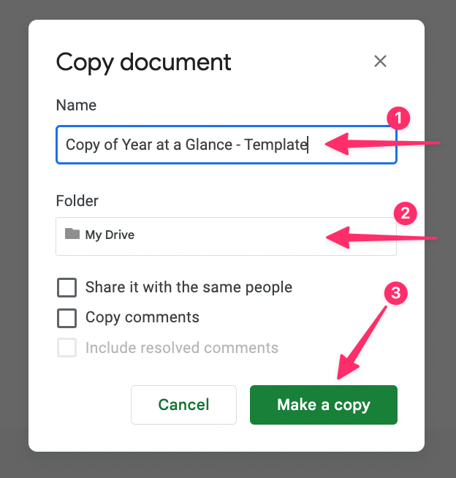
Instructions

1 | Click on 'File' and then 'Make a copy'
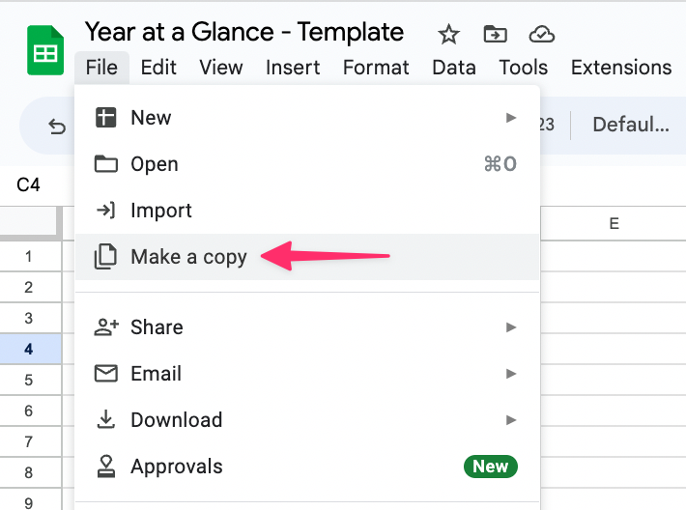

2 | Rename your document, select where you want it saved and the click 'Make a copy'

